IT Captive Details
IT Captive : TDA & D4 Shelf

Photonic View
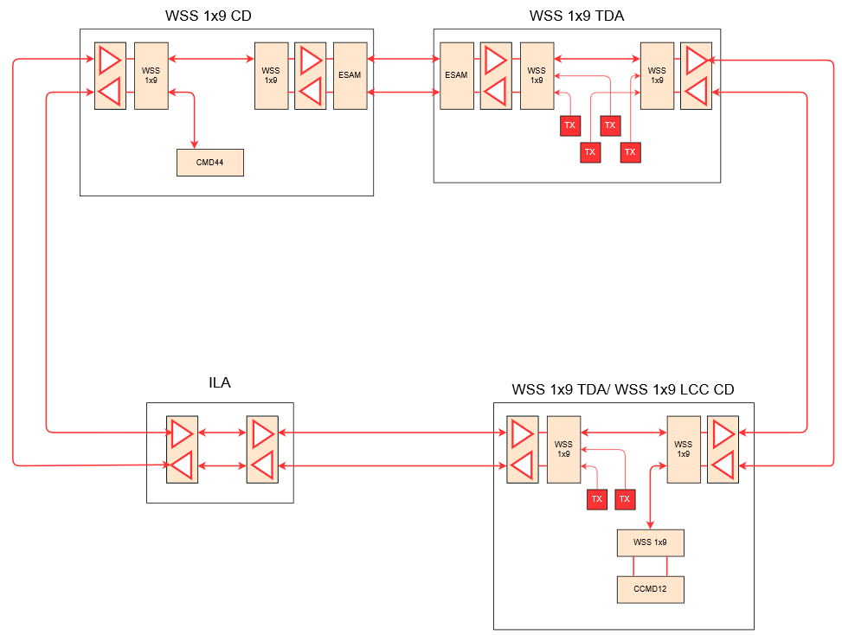
3
3
3
3
17
11
13
19
19

5
3
15
3
19
19

D4 Shelf
Shelf Level View

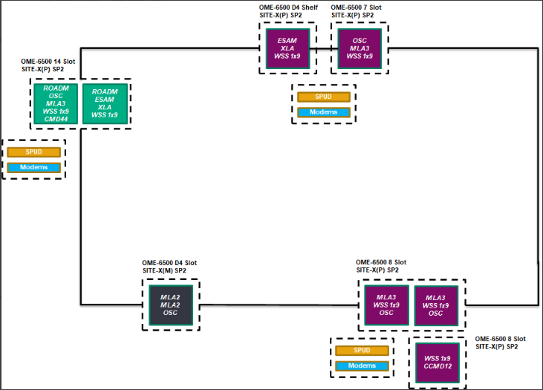

D4 Shelf

TDA Channels Path
TDA Channels Path

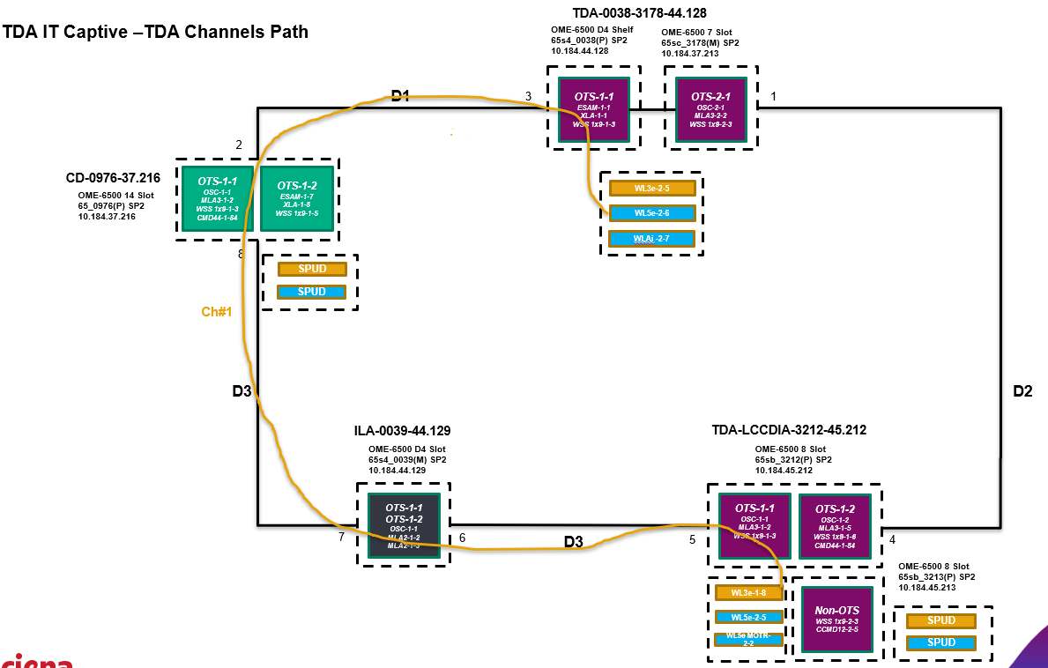

 | TDA Channel-1

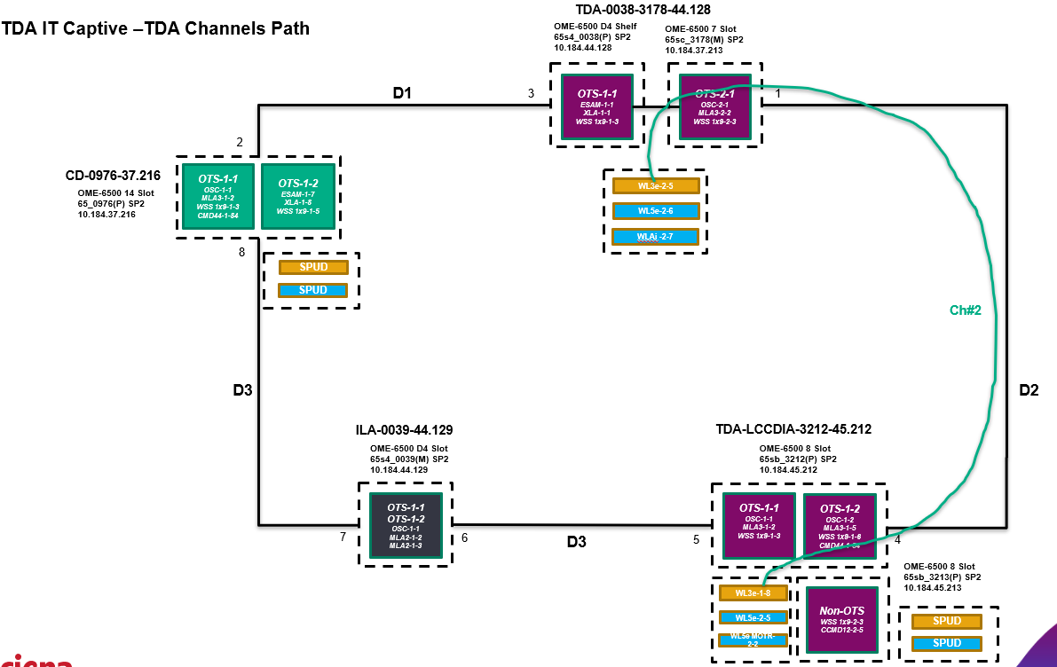

 | TDA Channel-2

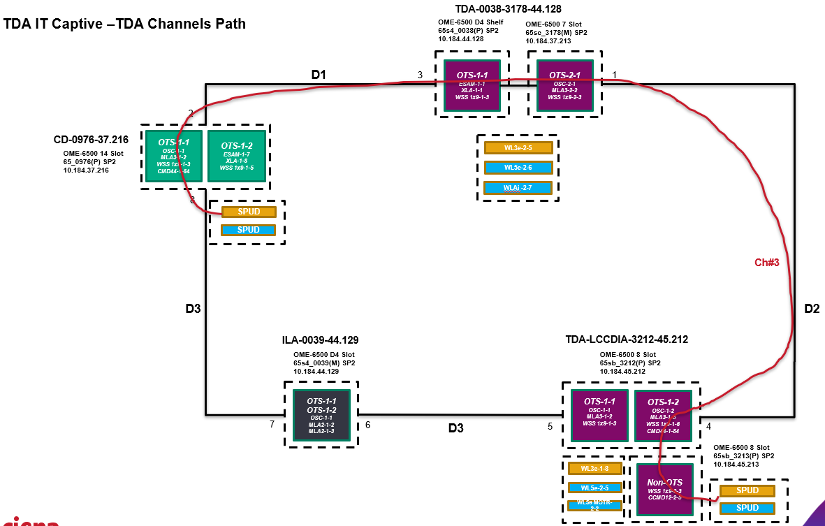

 | Non-TDA Channel-3

